Dashboard
Categories by Sales
 | Total
Mens | 12141279.85
Shoes | 9777374.94
Juniors | 8161253.53
Home | 8050258.89
Kids | 7359114.89
Womens | 5747860.31
Accessories | 3631228.8
Intimate | 2406953.76
Groceries | 2190747.6
Hosiery | 1383642.62
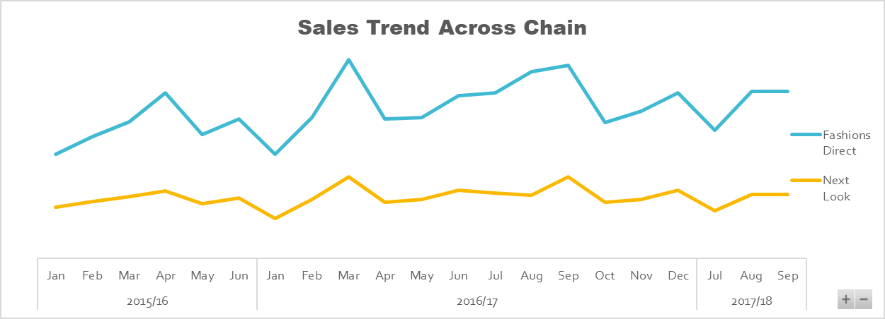

xcgv
81435

Top 5 Managers by Sales
 | Total
Jerry Fulton | 4727974.49
Rachael Long | 4946194.65
Lillian Pruitt | 5046344
Jeremy Garcia | 5125769.93
John Gardner | 5620869.6
Sales by Chain
 | Total
Fashions Direct | 43146844.26
Next Look | 17702870.93
Top Buyers
 | Total
Ella Hickman | 1383642.62
Chris Monroe | 2190747.6
Sara Ferrell | 2406953.76
Maggie Mayer | 3631228.8
Amy Buchanan | 5747860.31
Elizabeth Gentry | 7359114.89
Richard Carr | 8050258.89
Chester George | 8161253.53
Howard Wright | 9777374.94
Bruce Curran | 12141279.85

